Grammar and Syntax
HOME

"Easy to order" is acceptable but used appropriately is "easy-to-order" since it is used as an adjective and aslo to parallel with affordable & fresh

"its" should be "it's"
Recommendation would be: ..just to save money
Please add space after money

SHOP

Fish

What's the difference between the price in the title and the actual price? (This also impacts title link/bread crumbs in the image)
The two peso signs are different

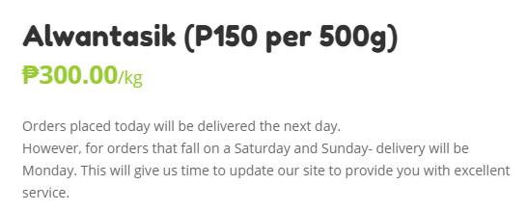

Vegetables

..However, for orders that fall either on a Saturday or Sunday, delivery will be on Monday.

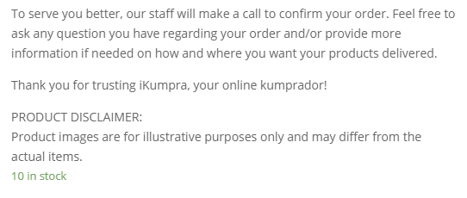

..your products to be delivered.

Vegetables

Peso sign difference

Common expectation from end users is for the description to describe the product itself

Meat and Poultry

Recommendations: "Go back to shop" option would be better



ABOUT IKUMPRA

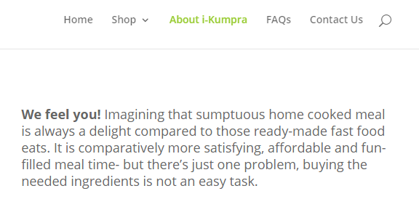

"home-cooked"
..It is a comparatively..
Please add space after time

Please add space after traffic. We could also opt to end the sentence here.
..fresh and fast..
..Now that's easy!
Recommendation: "Go ahead and relive your chef-like fantasies."

..if you have any questions

Links
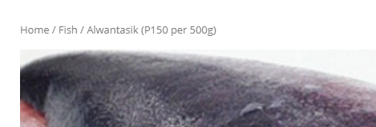
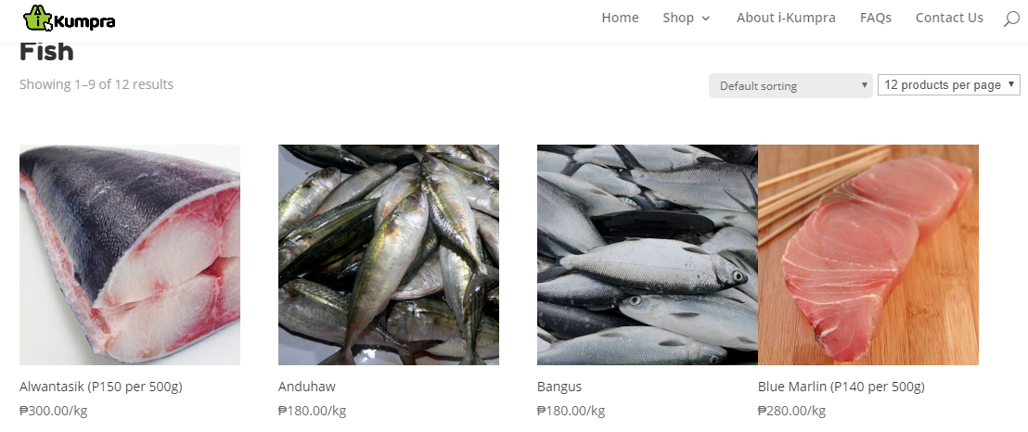
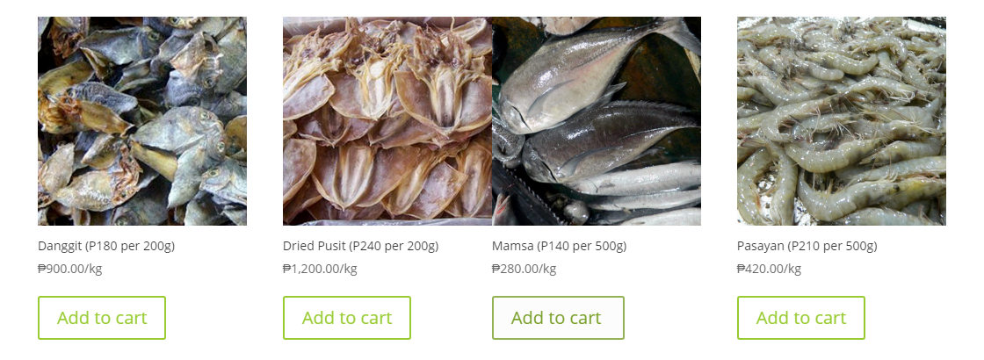
When clicking "Fish" in the link, some images are joined together despite several refresh. But when accessed through other paths (i.e. header options), page is normal

